D1
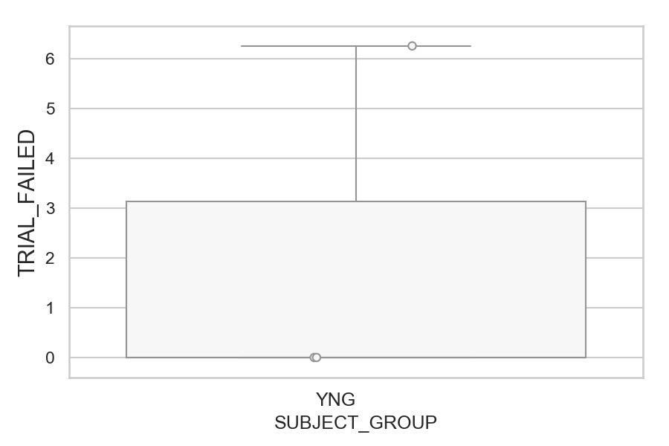
Total number of failed trials (no successful saccade) (percentage)
SUBJECT_NAME | SUBJECT_GROUP | NUMBER_OF_FAILED_TRIALS | TOTAL_NUMBER_OF_TRIALS | SUBJECT_AGE | VALUE
MP1 | YNG | 1 | 16 |  | 6.25
AW001CG | YNG | 0 | 16 | 19 | 0
AW002AF | YNG | 0 | 16 | 19 | 0

D1 (types)
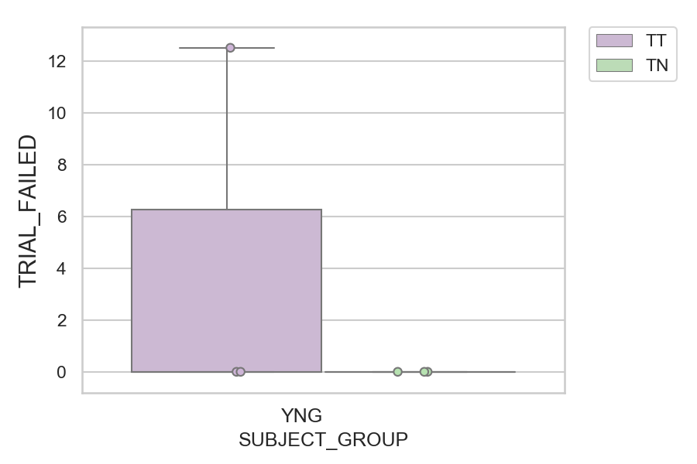
Total number of failed trials (no successful saccade) (percentage)
SUBJECT_NAME | SUBJECT_GROUP | CONDITION_APPEARANCE | NUMBER_OF_FAILED_TRIALS | TOTAL_NUMBER_OF_TRIALS | SUBJECT_AGE | VALUE
MP1 | YNG | TT | 1 | 8 |  | 12.5
AW001CG | YNG | TN | 0 | 10 | 19 | 0
AW001CG | YNG | TT | 0 | 6 | 19 | 0
AW002AF | YNG | TN | 0 | 10 | 19 | 0
AW002AF | YNG | TT | 0 | 6 | 19 | 0
MP1 | YNG | TN | 0 | 8 |  | 0

